LM(2)518x PSR flyback converter


LM5180/1 and LM25180/3/4 PSR Flyback Design Tool

About | xx |  |  | = Input Box |  |  |  |  |  | Terms Of Use

32V
16V
Step 1: Operating Specifications |  |  |  |  |  | Step 2: Flyback Transformer
 |  | Input Voltage – Min, VIN(min) | 12 | V |  |  | Minimum Magnetizing Inductance | 29.4 | µH
 |  | Input Voltage – Nom, VIN(nom) | 32 | V |  |  | Magnetizing Inductance, LMAG | 30 | µH
12V...48V
1.2 : 1 : 1
T₁
30µH
0.2A
 |  | Input Voltage – Max, VIN(max) | 48 | V |  |  | Primary Winding DCR | 100 | mΩ
 |  | Single Output or Dual Outputs |  |  |  |  | Secondary Winding #1 DCR | 30 | mΩ
D_{CLAMP}
 |  | Output Voltage, VOUT1 | 16 | V |  |  | Secondary Winding #2 DCR | 50 | mΩ
332kΩ
Ruv1
24.96V
 |  | Rated Output Current, IOUT1 | 0.2 | A |  |  | Pri-Sec Leakage Inductance | 100 | nH
D_{F}
100µF
 |  | Output Voltage, VOUT2 | -16 | V |  |  | Turns Ratio, PRI : SEC1
C_{IN}
 |  | Rated Output Current, IOUT2 | -0.1 | A |  |  | Turns Ratio, SEC2 : SEC1 | 1
10µF
Ruv2
59kΩ
R_{FB}
22µF
196kΩ
-16V
 |  |  |  |  |  |  | Max Output Power at VIN(min) | 5.02 | W
Step 3: Input & Output Capacitors |  |  |  |  |  |  | Duty Cycle at VIN(min) | 62.1 | %
 |  | Minimum Input Capacitance | 2.2 | µF |  |  | Primary Winding DCR Loss at Vin(nom) | 36 | mW
-0.1A
 |  | Input Capacitance, CIN | 10 | µF |  |  |  | 22 | mW
 |  | Input Capacitor ESR | 3 | mΩ |  |  | Peak Primary Current at Vin(nom) | 0.59 | A
Css
Rtc
R_{SET}
 |  | Resulting Input Voltage Ripple | 33 | mVpk-pk |  |  | Peak Secondary Current at Vin(nom) | 0.70 | A
324kΩ
12.1kΩ
 |  | Minimum Output Capacitance, Output #1 | 5 | µF |  |  | Minimum Output Capacitance, Output #2 | 4.7 | µF
47nF
 |  | Output Capacitance, COUT | 100 | µF |  |  | Output Capacitance, COUT2 | 22 | µF
LM5180
 |  | Output Capacitor ESR | 3 | mΩ |  |  | Output Capacitor ESR | 2 | mΩ
 |  | Resulting Output Voltage Ripple, Output #1 | 2 | mVpk-pk |  |  | Resulting Output Voltage Ripple, Output #2 | 2 | mVpk-pk

Step 4: Feedback, Soft-start, TC, UVLO
 |  | Recommended Feedback Resistor | 195.8 | kΩ
 |  | Selected Feedback Resistor, RFB | 196 | kΩ
92.4%
 |  | Soft-Start Configuration
 |  | Soft-Start Time | 9 | ms
 |  | Soft-Start Capacitance, CSS | 47 | nF
 |  | VOUT Thermal Compensation
 |  | Diode Voltage Drop Thermal Coefficient | -1.5 | mV/°C
 |  | Thermal Compensation Resistor, RTC | 324 | kΩ
 |  | Input UVLO Configuration
 |  | Input UVLO Turn-On Threshold | 10 | V
 |  | Input UVLO Turn-Off Threshold | 8 | V
 |  | Upper UVLO Resistor, RUV1 | 332 | kΩ
 |  | Lower UVLO Resistor, RUV2 | 59 | kΩ

Step 5: Power Losses & Thermals
 |  | Flyback Diode Voltage Drop, VD(no-load) | 0.32 | V
 |  | Flyback Diode Voltage Drop, VD(full-load) | 0.4 | V
 |  | Estimated IC Thermal Impedance, JJA | 41 | °C/W
 |  | Ambient Temperature, TA | 55 | °C
 |  | Power Dissipation at Full Load, PD | 186 | mW
 |  | Junction Temperature at Full Load, TJ | 63 | °C

Step 6: Optional RC Snubber across Rectifier Diode |  |  |  |  | (Always reserve the snubber positions on PCB, and validate by experiments.)
 |  | Recommended Csnb1 | 22 | pF |  |  | Recommended Csnb2 | 22 | pF
 |  | Snubber Capacitor Voltage Rating > | 84 | V |  |  | Snubber Capacitor Voltage Rating > | 84 | V
 |  | Recommended Rsnb1 | 100 | Ω |  |  | Recommended Rsnb2 | 100 | Ω
 |  | Snubber Resistor Power Dissipation Rating > | 0.217 | W |  |  | Snubber Resistor Power Dissipation Rating > | 0.217 | W

Step 7: Optional Output Zener Clamp or Dummy Load |  |  |  |  | (Always reserve the Zener clamp and dummy load position on PCB)
 |  | Min Load Current, IOUT1min | 0.005 | A |  |  | Min Load Current, IOUT2min | -0.005 | A
 |  | Max Output Voltage Limit, VOUT1max | 17.00 | V |  |  | Max Output Voltage Limit, VOUT2max | -17 | V
 |  | Zener Clamp Dz1 or Dummy Load Rdmy1 | None |  |  |  | Zener Clamp Dz2 or Dummy Load Rdmy2 | None
 |  | Selection | None |  |  |  | Selection | None
 |  | Selected Device Min Power Rating> | N/A | W |  |  | Selected Device Min Power Rating> | N/A | W

BOM & Schematic
32V
30µH
1.2 : 1 : 1
16V
T₁
0.2A
Ruv1
D_{CLAMP}
12V...48V
332kΩ
U₁
100µF
C_{IN}
D_{F}
10µF
22µF
Ruv2
LM5180
R_{FB}
-16V
59kΩ
196kΩ
-0.1A

Rtc
R_{SET}
Css
324kΩ
12.1kΩ
47nF

BIPOLAR Output PSR Flyback Converter, VIN = 32 V, VOUT1 = 16 V, IOUT1 = 0.2 A, VOUT2 = -16 V, IOUT2 = -0.1 A
LM5180 High Efficiency PSR Flyback Converter BOM
Count | Ref Des | Value | Description | Size | Part Number | MFR | Footprint (mm) | Area (mm2)
1 | CIN | 10µF | Capacitor, Ceramic, 10µF, 100V, X7R, 10% |  | Std | Std | 3.2 x 2.5 | 8.0 |  |  |  | 5
1 | COUT | 100µF | Capacitor, Ceramic, 100µF, 25V, X7R, 10% |  | Std | Std | 3.2 x 2.5 | 8.0 |  |  |  | 5
1 | COUT2 | 22µF | Capacitor, Ceramic, 22µF, 25V, X7R, 10% |  | Std | Std | 3.2 x 2.5 | 8.0 |  |  |  | 5
1 | Css | 47nF | Capacitor, Ceramic, 47nF, 16V, X7R, 10% | 0603 | Std | Std | 1.0 x 0.5 | 0.5 |  |  |  | 1
1 | DFLY | Diode | Rectifying Diode, Schottky | #NAME? | Std | Std | 5.0 x 2.5 | 12.5 |  |  |  | 4
1 | DFLY2 | Diode | Rectifying Diode, Schottky | 0603 | Std | Std | 3.6 x 1.8 | 6.5 |  |  |  | 3
1 | DF | Diode | Clamp Circuit Diode, Fast Recovery |  | Std | Std | 3.6 x 1.8 | 6.5 |  |  |  | 3
1 | DCLAMP | 24.96V | Clamp Circuit Diode, Zener, 25V | 0603 | Std | Std | 3.6 x 1.8 | 6.5 |  |  |  | 3
1 | DOUT | 17.6V | Output Clamp Diode, Zener, 18V |  | Std | Std | 1.6 x 0.8 | 1.3 |  |  |  | 1
1 | RSET | 12.1k | Resistor, Chip, 12.1kΩ, 1/16W, 1% | 0603 | Std | Std | 1.0 x 0.5 | 0.5 |  |  |  | 1
1 | RFB | 196k | Resistor, Chip, 196kΩ, 1/16W, 1% | 0603 | Std | Std | 1.0 x 0.5 | 0.5 |  |  |  | 1
1 | RUV1 | 332k | Resistor, Chip, 332kΩ, 1/16W, 1% | 0603 | Std | Std | 1.0 x 0.5 | 0.5 |  |  |  | 1
1 | RUV2 | 59k | Resistor, Chip, 59kΩ, 1/16W, 1% | 0603 | Std | Std | 1.0 x 0.5 | 0.5 |  |  |  | 1
1 | RTC | 324k | Resistor, Chip, 324kΩ, 1/16W, 1% | 0603 | Std | Std | 1.0 x 0.5 | 0.5 |  |  |  | 1
1 | T1 | 30µH | Transformer, 30µH, 1.2 : 1 : 1, 100mΩ Pri DCR, 2A Isat | - | Various | Various | 10 x 10 | 100 |  |  |  | 5
1 | U1 | LM5180 | IC, LM5180, PSR Flyback Converter, 4.5V–65V Input | WSON-8 | LM5180NGUR | TI | 4.0 x 4.0 | 16.0

 |  |  |  |  | Total Solution Size (buffered by 25%) |  |  | 220.4 | mm2 = | 0.3416 | in2

NOTES:
1. Choose a transformer with saturation current rating higher than the max peak current limit setting (1.73A) for all operating temperatures
2. Appropriately derate the effective input and output capacitances for applied voltage and temperature, particularly with ceramics
3. Use a primary-side RC snubber from SW to VIN to dampen leakage inductance spike
4. Use a flyback diode RC snubber to dampen ringing if needed
5. Use an output zener to clamp the output at no load

EVM Examples Layouts
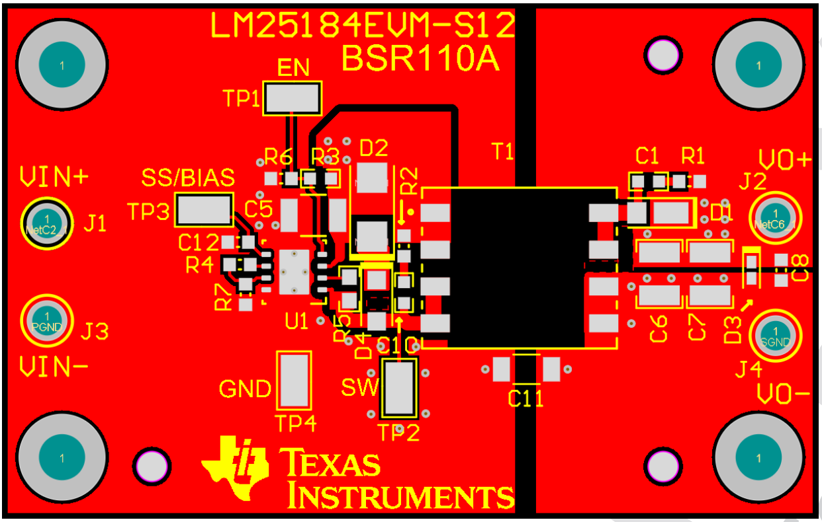
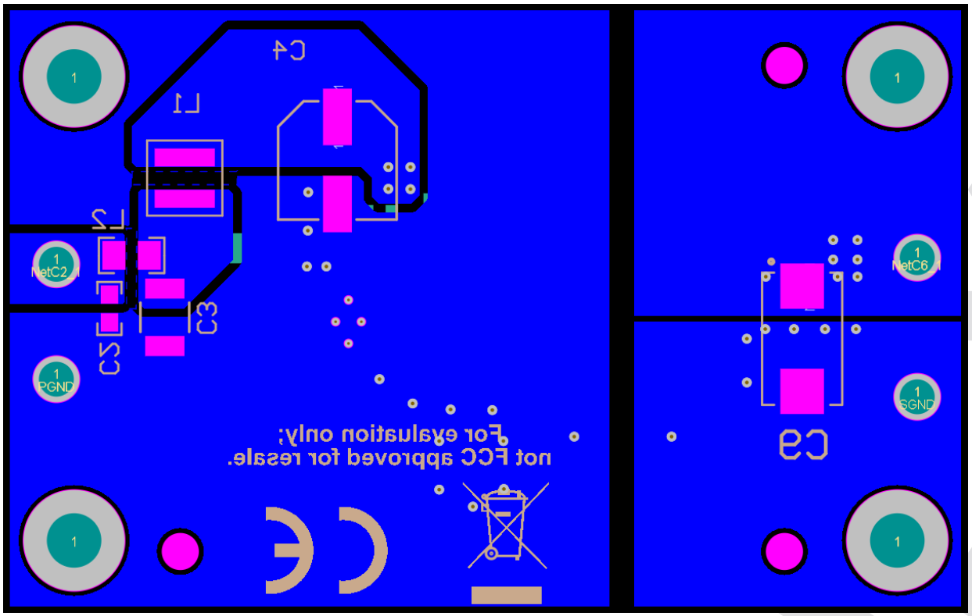
LM5180/1 and LM25180/3/4 PSR Flyback Converter Design Tool

 | LM5180EVM-S05 PCB Design, 2" x 1.4" (50mm x 35mm) | LM5180EVM-DUAL PCB design, 2.1" x 1.5" (55mm x 38mm) | LM25184EVM-S12 PCB design, 2.2" x 1.4" (56mm x 36mm)

